MP4200
MP4200 firmware record
时间 Date | 客户回馈问题/新需求 Feedbacks | 版本号 Version NO | 更改内容 Modifications | 备注 Note | 更改内容-英文 Modifications-English | 图档 Picture
2022.3.18 |  | MP4200_v1.00.01.bin
2022.4.29 |  | MP4200_v1.00.02.bin | 1、增加按键打印自检页、进入十六进制 2、增加葡语开关功能 3、增加1d 56 46 00切刀指令 4、增加数据存储指令和打印指令 5、增加切刀保护功能 |  | Modifications: 1) Add button to print self page, enter hexadecimal. 2) Added Portuguese switch function. 3) Added cutter command of 1d 56 46 00. 4) Add data storage command and print command. 5) Added cutter protection function.
2022.5.18 |  | MP4200_v1.00.03.bin | 解决客户5-11反馈的软件测试问题和4-19邮件反馈的按键指示灯要求 按键指示灯更改点： 1、正常等待打印：绿灯常亮 2、等待打印但纸将尽：绿灯闪烁，间隔0.5秒 3、开盖：黄灯常亮 4、无纸：黄灯闪烁1x 5、头片高温：黄灯闪烁2x 6、切刀错误：黄灯闪烁3x 7、电压过低或过高：红灯闪烁11x |  | Modifications: Solved the firmware problem Elgin feedback on 11th,May. and button LED requirement feedbacked on 19th,Apr. Update points of Button LED: 1) Green LED light on when ready to print 2) Green LED flashing at the intervals of 0.5s when ready to print but is low on paper 3) Yellow LED light on when open cover 4) Yellow LED blinking 1x when no paper 5) Yellow LED blinking 2x when overheated thermal head 6) Yellow LED blinking 3x when cutter error 7) Red LED binking 11x when low DC vlotage send from the power supply.
2022.5.24 |  | MP4200_v1.00.04.bin | 更改点如下： 1、切刀前走纸距离为16mm； 2、取消开盖报警声； 3、更改厂商名称为Bematech; 4、默认语言改为葡萄牙语； 5、修改三个速度档位打印效果； 6、修改0a换行问题 NG问题有：打印起步有白线（此问题与第6更改点相关,客户程序问题表格第18点的问题），不能解决，白线是因为这版程序根据客户要求取消了打印预走纸功能，导致前面几行压缩才这样的。 要解决白线问题，只能跟以前版本软件一样，打印前先走纸几行才行 |  | Modifications: 1) The paper feeding before cut is 16mm; 2) Remove cover-open warning; 3) Update the Brand to : Bematech; 4) Default language changed to Portuguese; 5) Fix the problem of Speed, Normal and Quality Mode printing effect; 6) Fix the OA line feed (LF) problem NG issue:Printing starts with white lines as right picture shown.It can't be solved,it happens because Elgin request to cancels the printing pre-feed function on question 18 (firmware issue table), resulting in the compression of the first few lines. To solve it, it need to paper feed a few lines before printing, just like the previous version firmware | 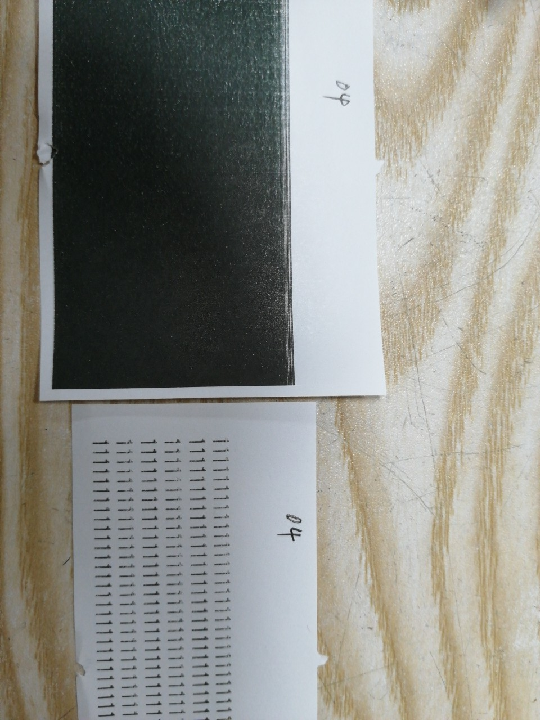
2022.5.27 |  | MP4200_v1.00.05.bin | 更改点如下： 1、兼容客户指令1b 32； 2、修改USB、虚拟串口的VID、PID； |  | Modification: 1) Fix the problem that command 1b 32 (set feed to 1/6 inches) is not working properly. 2) Fix the problem of VID and PID for USB and virtual serial port.
2022.6.22 |  | MP4200_v1.00.06.bin | 更改点为：兼容客户指令 1b 76 |  | Modification: Compatible with command of 1b 76 (Issue 21)
2022.7.1 |  | MP4200_v1.00.07.bin | 更改点为： 1、增加代码页WPC1252 fontB字体； 2、修正取消预走纸后起步白线问题（无法完全取消预走纸，预走纸0.5mm） |  | Modification: 1) Add CodePage 1252 font B 2) Fixed the white line problem at the start after canceling the pre-feed (Pre-feed cannot be completely canceled, it will still pre-feed 0.5mm)
2023.6.29 |  | MP4200_v1.00.08.bin | 更改点为： 1、更改纸将尽阈值，避免纸将尽误报； 2、完善虚拟串口SN描述符配置，默认不可配置，每台虚拟串口保持一致； 3、增加1d 76 30 20指令，修改Linux驱动压缩打印可用； |  | Modification: 1)Adjust the threshold value of the Low paper sensor to avoid report error. 2)Fix the Virtual COM communication problem:Improve the SN descriptor of the virtual serial port. The SN descriptor cannot be configured by default. So the SN descriptor of each virtual serial port must be the same. 3) Add command of 1d 76 30 20 to fix the compress printing problem found in Linux driver.
2023.7.5 |  | MP4200_v1.00.09.bin | 更改点为： 走纸马达驱动从半步改为全步，修改打印压缩，不走纸问题 |  | Modification: The paper feeding motor driver is changed from half step to full step for fixing printing compression and paper feed didn’t work problems.
2023.7.7 |  | MP4200_v1.00.10.bin | 更改点为： 修改加速表与补偿表，增加拖纸力； |  | Modification: Fix the accelerometer and compensation to increase drag force, so that to solve the problem of paper feed didn't work when larger paper roll.
2023.7.14 |  | MP4200_v1.00.11.bin | 更改点： 1）进一步改善走纸问题 2）固定虚拟串口com口； 3）修改PID为0020； |  | Modification: 1)Further fix the problem of paper feeding 2)Fix the COM 3)change MP4200 ID to 0020: USB\\VID_0B1B&PID_0020
2023.7.30 |  | MP4200_v1.00.12.bin | 更改点： 1)设置PID 和VID信息: USB printer (native) - USB\\VID_0B1B&PID_0020 （USB 打印机（本机）） Virtual COM - USB\\VID_0B1B&PID_0003 （虚拟串口）） To update - USB\VID_28E9&PID_028D 2)虚拟COM通信为出厂默认设置,并且用指令设置为USB打印机(USB本机)和设置虚拟COM 3）打印机名称由“MP-4200 TH”改为“MP-4200 HS"，返回的命令1D F9 27 30是MP-4200 HS |  | Modification: 1)set below as standards for PID and VID USB printer (native) - USB\\VID_0B1B&PID_0020 Virtual COM - USB\\VID_0B1B&PID_0003 To update - USB\VID_28E9&PID_028D 2)set to Virtual COM communication as factory default.And the commands to set to USB Printer (USB Native) and to set the Virtual COM. 3)change the model from“MP-4200 TH” to “MP-4200 HS",And the return of the command 1D F9 27 30 should be MP-4200 HS.
2023.9.19 |  | MP4200_v1.00.13.bin | 1)新增“1D F9 27 14”指令读取MAC地址，返回格式为XX:XX:XX:XX:XX:XX 2)修改配置打印指令“1D F9 29 30”，接口信息间隔改为1行 |  | Modification: 1) Add"1D F9 27 14" command to read the Mac Address written on the board and return it.The return format would be: XX:XX:XX:XX:XX:XX 2)Add"1D F9 29 30" command, which is a configuration print command, The spacing of interface information should be limited to just one line.
2023.10.10 |  | MP4200_v1.00.14.bin | 1)修改切刀异常问题，完善切刀驱动； 2)刹车时间由20ms改为50ms； |  | Modification: 1) Fix the problem of cutter defect (only performing full cuts),and improve the cut driver. 2)The braking time was changed from 20ms to 50ms
2023.10.13 | ELGIN request | MP4200_v1.00.15.bin | 增加切刀到位开关滤波时间、滤波范围 (到位开关滤波时间由1.5ms增大为3ms，实际滤波时间3.5ms左右) |  | Modification: Increase the filter time and filter range of the cutter position switch.
2024.1.25 | ELGIN request | MP4200_v1.00.16.bin | 1）DHCP 关闭：直接打印自检页，显示设置IP 2）DHCP 开启：网线已连接时，获取到IP后打印自检页，自检页显示获取到的IP；7秒内检测不到网线插入，直接打印自检页，IP显示NONE（因物理层检测网线插入时间不固定，取稍微长点时间7秒）；14秒内获取不到IP时，直接打印自检页，IP显示NONE； |  | Modification: 1) If the “DHCP” flag is disabled, it will print the self-test page directly with fixed IP address. 2)If the "DHCP" enable,when the network cable is connected, it will obtain the IP address and print the self-test page. If the network cable cannot be detected within 7 seconds, the self-test page will be printed directly with NONE IP address. If the IP address cannot be obtained within 14 seconds, the self-test page will be printed directly with NONE IP address.

